Flowchart ML
Model Development | Model Application | Full Flowchart Application

Source Dataset
(PROJECT, CUSTOMER, DEVICE ID, DEVICE TYPE, SECTION, CLUSTER)
Device ID
Source Dataset : DB SQL

Equipment prediction
SGD Classifer
Input JSON
Data preparation
text cleaning, validation, text normalization, deduplication

Device Type Prediction
= SGD Classifier
Output = Device Type Prediction
Split dataset 70% : training
15% : validation
15% : testing

Section prediction
XGBoost
Output = Device Type Prediction

Feature Engineering
TF-IDF Vectorizarion Label Encoding
Suffix and prefix extraction
Output = Section Prediction
Section Prediction
= XGBoost

Cluster prediction
XGBoost
Output = Section Prediction

Model Development
Training, Validation, Testing
Section Prediction
= XGBoost

Output = Cluster Prediction

Device Type
= SGD Classifier
Device Section/Cluster
= XGB Boost
Output = Cluster Prediction

Model Evaluation
Logic Algorithm
Model Evaluation

Save Trained Model

Result of model evaluation

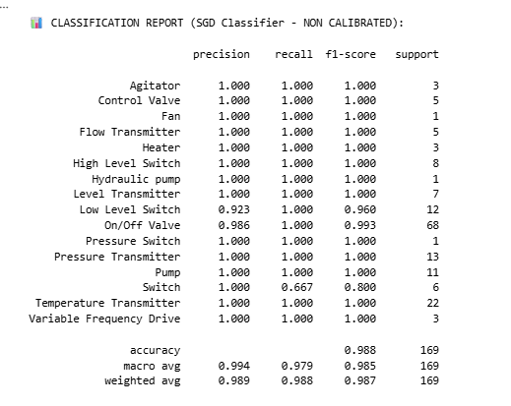

 | PARAMETER SGD Classifier Model

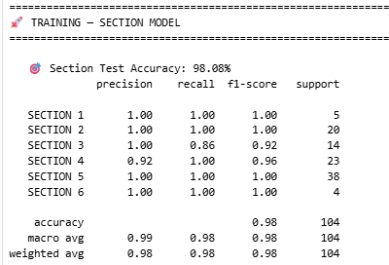
 | ALPHA_PREFIX_WEIGHT = 0.65
 | INITIAL_DICT_CONF = 0.90
 | COSINE_THRESHOLD = 0.60
 | SGD_STRONG_THRESHOLD = 0.70
 | TOP_K = 5

 | PARAMETER XGBoost

 | max_depth = 6
 | learning_rate = 0.05
 | n_estimators = 300
 | min_child_weight = 1
 | subsample = 0.8
 | colsample_bytree = 0.8
 | gamma = 0.1
 | random_state = 42
 | test_size = 0.15
 | val_size = 0.176
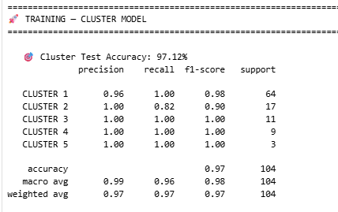
 | max_attempts = 100

Movement dataset
SGD CLASSIFIER MODEL

Received 8 RAW excel files in zip files [Dataset/1. raw_data]
Clean each excel file
[Dataset/2. clean_data]
Merge into 1 csv files
[Dataset\output\masterfile.csv]
Used for training SGD model
master_df.pkl

XGBoost MODEL

Dummy data
[repos\DeviceCluster\1.training_model\dummy_data]
UGS (A1706-A1995)
Oiltek (A2027-A8885)

Used for training XGB model

